Sheet1
Daily Report Per Task
Test Result | Automation Failed
Environment | QA
Device OS | Android
Device Model | Android SDK built for arm64
Device Manufacturer | Google Pixel 3
Device OS Version | 10
Scenario Tested | User Add Checkin with Input Empty Text using Spaces button As Empty Character in Type Your Question Field
Bug Type | Functional
Severity | Medium

No | Scenario Name | Expected Result | Actual Result | Screenshot (Optional) | Notes (Optional)
1 | User add checkin with input empty text using spaces button as empty character in type your question field | User get pop up alert question must be filled | User success to create new checkin | 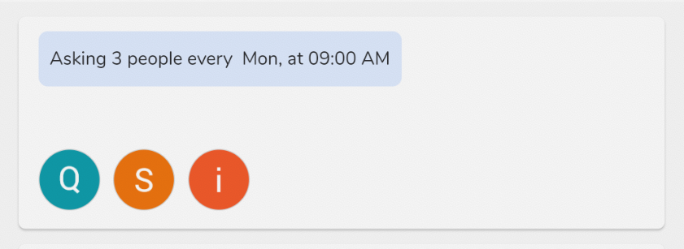 | It need validation when user input empty text using spaces button as character, for example : "Type your question cannot be empty" when clicking "Start collecting answers" button.

